BigPicture
CURRENT | TOTAL
Domain Lookups [159] Domain Not Found | Domain Lookups [?]
Domain Lookups [392] TLD not supported
Domain Lookups [443] Non-Participating Rr
Domain Lookups [441] Supported by RDRS

TLD not supported [392] Not Supported by RDRS
Non-Participating Rr [443] Not Supported by RDRS

Supported by RDRS [209] Requests Made
Supported by RDRS [232] Requests Not Made

Requests Made [35] Approved
Requests Made [184] Denied
Requests Made [3] Partially Approved
Requests Made [13] Proxy

Denied [3] Transferred
Denied [0] Proxy
Denied [4] Fails RDRS Terms
Denied [35] App Law
Denied [128] Incomplete
Denied [11] Other corrective
Denied [14] Other
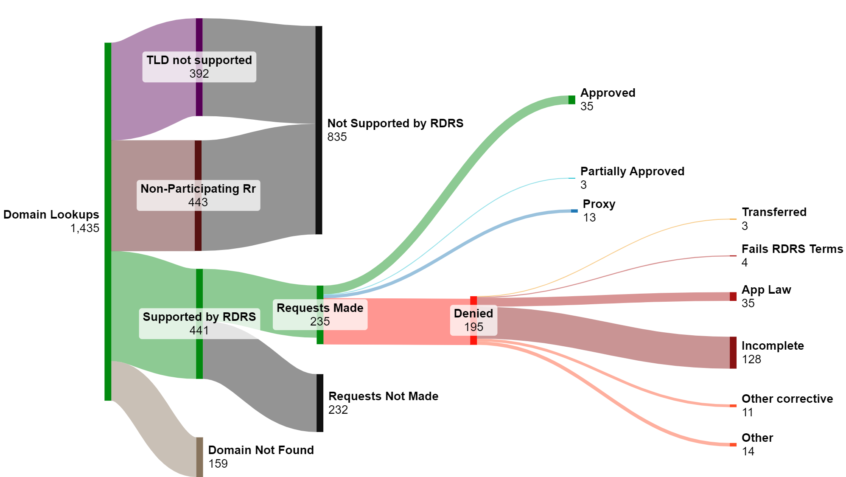
April 2024 RDRS Metrics
Note: 235 closed requests in April doesn't perfectly align to the 209 requests initiated in April.
Anonymized request-level data would eliminate the discrepency, but is not yet available to the S.C.

Priority+Type
Current | Total
Expedited [20] Total | Expedited [44] Total
Standard [189] Total | Standard [1171] Total

Total [1] CSIRT | Total [20] CSIRT
Total [10] Consumer Protection | Total [103] Consumer Protection
Total [4] non-CSIRT | Total [13] non-CSIRT
Total [6] DRS Prov | Total [16] DRS Prov
Total [4] Domain Investor | Total [30] Domain Investor
Total [43] IP Holder | Total [410] IP Holder
Total [46] Law Enforcement | Total [157] Law Enforcement
Total [1] DR non-IP | Total [37] DR non-IP
Total [8] Research (non-security) | Total [58] Research (non-security)
Total [3] Security Researcher | Total [73] Security Researcher
Total [83] Other | Total [298] Other

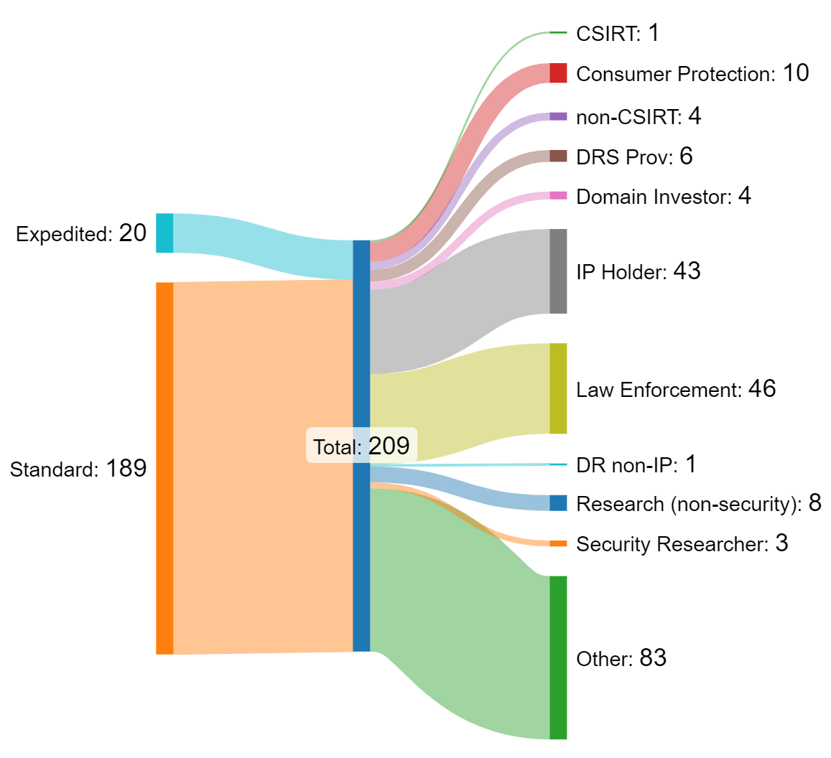

Outcome
Current | Total
Requests [35] Approved | Requests [210] Approved
Requests [184] Denied | Requests [781] Denied
Requests [3] Partially Approved | Requests [14] Partially Approved
Requests [13] Proxy | Requests [91] Proxy

Denied [3] Transferred | Denied [6] Transferred
Denied [0] Proxy | Denied [0] Proxy
Denied [4] Fails RDRS Terms | Denied [65] Fails RDRS Terms
Denied [35] App Law | Denied [253] App Law
Denied [128] Incomplete | Denied [269] Incomplete
Denied [11] Other corrective | Denied [209] Other corrective
Denied [14] Other | Denied [128] Other

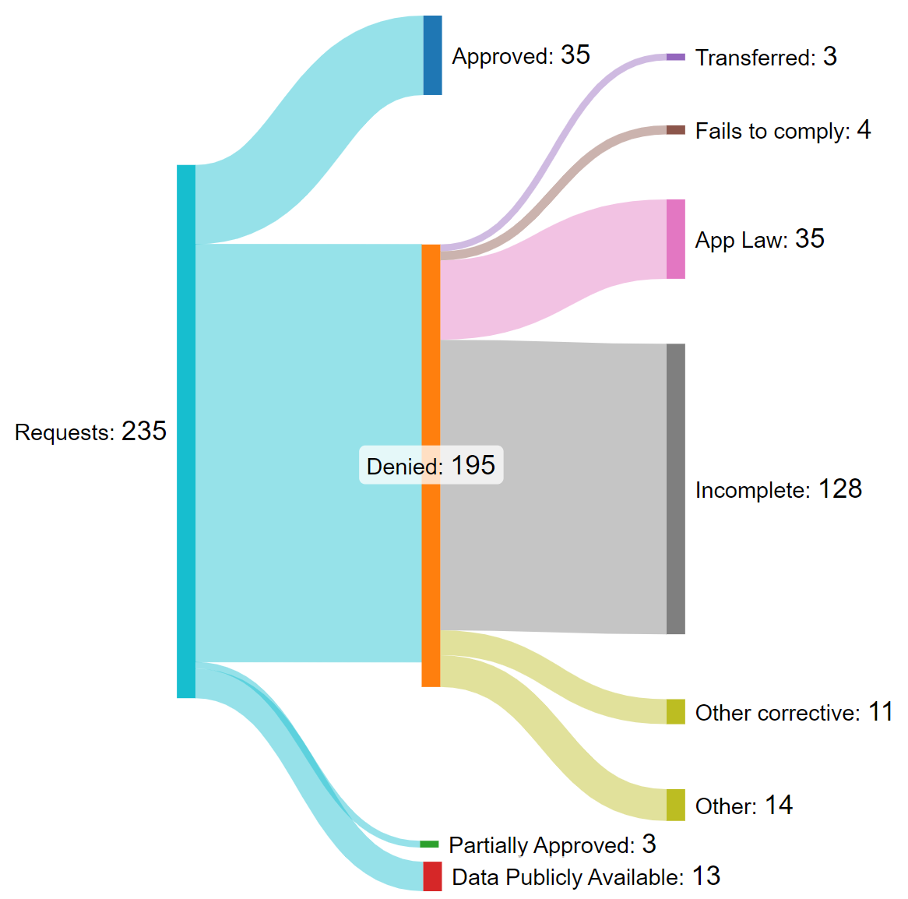

NOTE:
# of Denials (184) will not match sum of denial categories (195) because the categories are not mutually exclusive.
-Gabriel

Type+Outcome
Current | Total
CSIRT [1] Total | CSIRT [20] Total
Consumer Protection [10] Total | Consumer Protection [103] Total
non-CSIRT [4] Total | non-CSIRT [13] Total
DRS Prov [6] Total | DRS Prov [16] Total
NOTE: We don't appear to have a way to break down "Outcome" by "Request Type" without more granular data from Org.
Thus the data to the left wasn't used in a sankey graphic.
Data that could answer this might take the format of a csv of anonymized request data, along the lines of:
Request Number, Requestor Category, Outcome, Reason,
1, CSIRT, Denied, Publicy Available,
2, DRS Prov, Approved, N/A,
3, Law Enforcement, Approved, N/A,
Org staff have indicated they cannot provide such granular data absent a request from Standing Committee for it.
ACTION: Does the S.C. want to see this "Outcome broken down by Requestor Type" level of insight? If so, do we agree to instruct Org staff to provide such an anonymized csv?
-Gabriel
Domain Investor [4] Total | Domain Investor [30] Total
IP Holder [43] Total | IP Holder [410] Total
Law Enforcement [46] Total | Law Enforcement [157] Total
DR non-IP [1] Total | DR non-IP [37] Total
Research (non-security) [8] Total | Research (non-security) [58] Total
Security Researcher [3] Total | Security Researcher [73] Total
Other [83] Total | Other [298] Total

Total [35] Approved | Total [210] Approved
Total [184] Denied | Total [781] Denied
Total [3] Partially Approved | Total [14] Partially Approved
Total [13] Proxy | Total [91] Proxy

Total [58] by Denial type | Total [148] by Denial type
58 | 148

By Priority
Current | Total
by Priority [20] Expedited | by Priority [44] Expedited
by Priority [189] Standard | by Priority [1171] Standard

NOTE:
Sankey not generated; for data this simple a pie chart would suffice.
-Gabriel

By Type
Current | Total
by Type [1] CSIRT | by Type [20] CSIRT
by Type [10] Consumer Protection | by Type [103] Consumer Protection
NOTE:
Sankey generated; but, for data this simple a pie chart would suffice.
-Gabriel
by Type [4] non-CSIRT | by Type [13] non-CSIRT
by Type [6] DRS Prov | by Type [16] DRS Prov
by Type [4] Domain Investor | by Type [30] Domain Investor
by Type [43] IP Holder | by Type [410] IP Holder
by Type [46] Law Enforcement | by Type [157] Law Enforcement
by Type [1] DR non-IP | by Type [37] DR non-IP
by Type [8] Research (non-security) | by Type [58] Research (non-security)
by Type [3] Security Researcher | by Type [73] Security Researcher
by Type [83] Other | by Type [298] Other

